Appendix 3
Name: |  | Pimentel, Antonietta | Reconsignment *1 | - | Date of return, disposal, or deletion(FOR RESIGNATION) | N/A
Manager: |  | Cabibihan, Antonio Jr | Project/SecurityManager *2 | - | Reason why ITPN is not installed: | -
Location: |  | Cebu | Employment Period (start date): | 2017-12-04 | The reason for NG: | -
Equipment Management # (12-4 digit): |  | SPEFY212445 | Employment Period (end date): | Ongoing | Reason for not answering the selfcheck | -
Computer/Host Name: |  | G07PHXNWES03882 | Date of submitting of "Pledge" *3: | 2023-09-04 | Email address: | a.pimentel@fujitsu.com
OS: |  | Windows 10 Version 22H2 | Completion date of education for information security*4: | 2023-09-04 | Telework Period: | 8/4/2023 - On-going

PROJECT INFO: |  | Start date | End date | Date of return, disposal, or deletion (FOR PROJECT): | JMLA Status | Completion Status | 100.00%
AERO-IPK-SI |  | 8/2/2023 | 3/31/2024 | 3/31/2024 | MOVER
 |  | (mm/dd/yyyy) | (mm/dd/yyyy or Ongoing) | (mm/dd/yyyy or N/A)
 |  | (mm/dd/yyyy) | (mm/dd/yyyy or Ongoing) | (mm/dd/yyyy or N/A)
 |  | (mm/dd/yyyy) | (mm/dd/yyyy or Ongoing) | (mm/dd/yyyy or N/A)
 |  | (mm/dd/yyyy) | (mm/dd/yyyy or Ongoing) | (mm/dd/yyyy or N/A)
 |  | (mm/dd/yyyy) | (mm/dd/yyyy or Ongoing) | (mm/dd/yyyy or N/A)

Skip - covered already in Microsoft Defender
No. | Check Items | Comment | Steps (How to check or get evidence) | Screenshots (Expected) | Screenshots (Actual Result) | Note (Date & Time) | OK/NG | REQUIRED?
1 | Check of virus definition | Is the virus definition file updated within 7days? (If you cannot access FJ-WAN or Internet, the term is within one month.) | 1. Open the Sophos Endpoint Security Control 2. Select "View Product Information" from the left-side menu 3. Click "Software" under Updating Category |  |  |  |  | No
2 | Real-time security（Auto-Protect） | Is real-time protect (Auto-Protect) active? |  |  |  |  |  | No
3 | Virus scanning（scheduled scan ） | Is virus scan (scheduled scan) set-up? | company policy / IT to send monthly report |  |  |  |  | No
4 | Virus scanning carried out within seven days | Has the virus scan been carried out within 7days? |  |  |  |  |  | No
5 | Scanning all of the drives | Are all drives target of virus scan? | GDC policy |  |  |  |  | No
6 | Windows logon password | Is the Windows login password set-up? | GDC policy |  |  |  |  | No
7 | Screen lock password | Is the screen lock password set? | GDC policy |  |  |  |  | No
8 | Waiting time of the screen saver (within 10 minutes) | Is the waiting time of the screen saver within 10 minutes? | 1. Right click on the desktop 2. Select Display Settings 3. Select Power & Sleep 4. Set the waiting time of the screen saver to 10 minutes GDC policy | 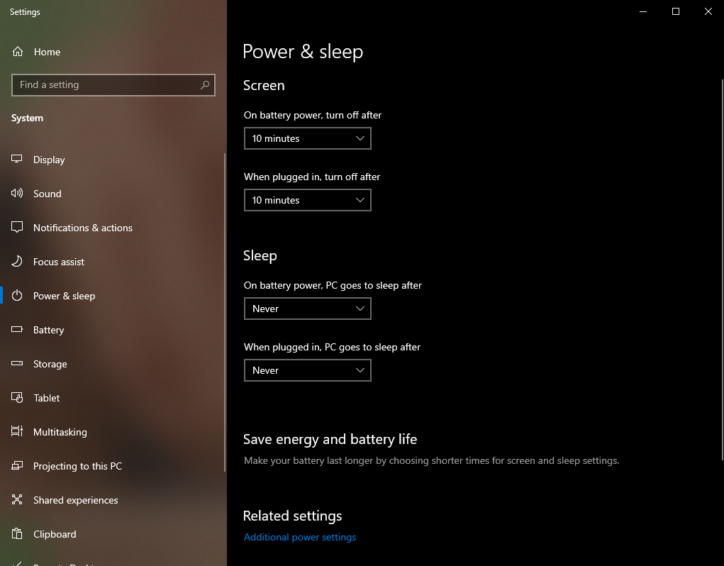 | 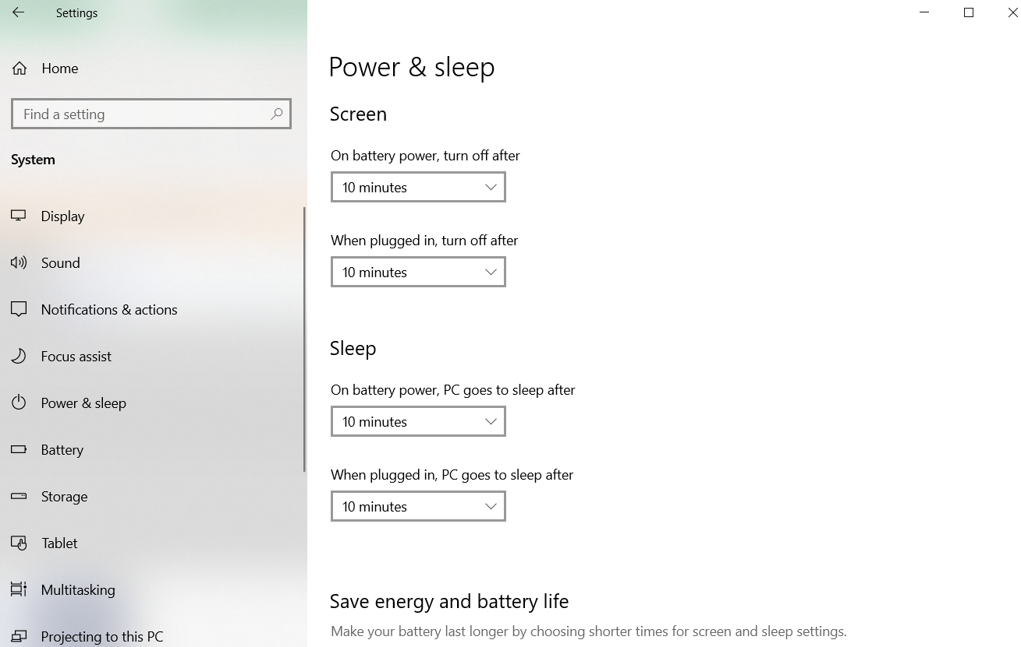 |  |  | No
9 | Password for recovery from standby | Is password required when waking up from standby? | GDC policy |  |  |  |  | No
10 | BIOS password | In the case of a laptop, is the BIOS password set? | 1. Upon boot up continuosly press F2 (Security PICs/Leads reported that for some machines F12 works or F8) - Please confirm 2. If prompted with BIOS password - OK if none NG | 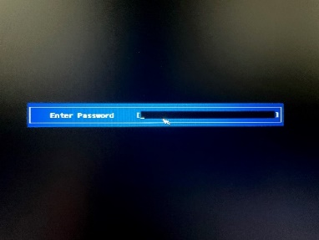 | 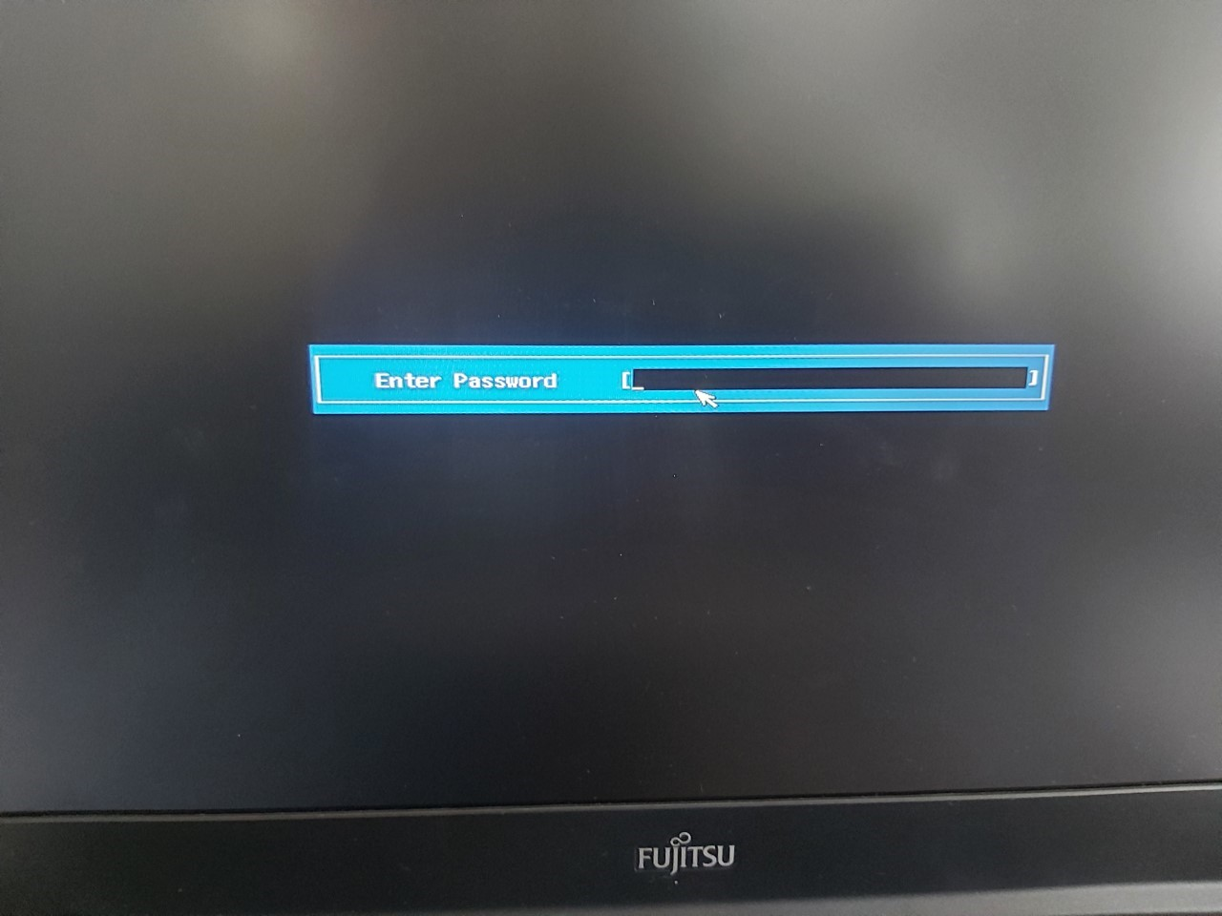 | 03/04/2024 11:15 AM | OK | Yes
Skip
11 | HDD password | In the case of a laptop, is HDD password set? | 1. In the windows search type 「This PC」 2. Click This PC 2. Double click Local disk |  |  | 03/04/2024 11:16 AM | OK | Yes
12 | Support of OS *1 | Is OS supported by microsoft? Please confirm the end of OS support. *1 | 1. In the windows search, type "cmd" 2. Click Command Prompt, then type "winver" 3. Is your version supported? Please refer to https://endoflife.date/windows | 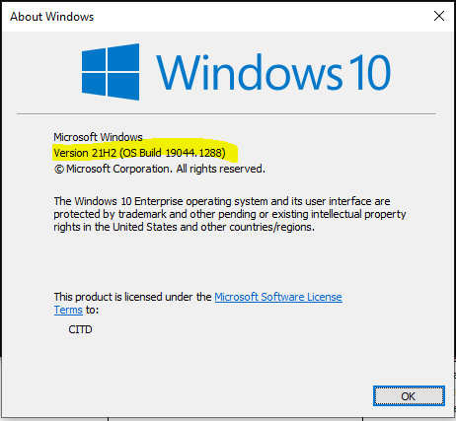 |  |  |  | No
13 | Microsoft Update and so on | Is the latest security update of WSUS or Microsoft Update applied? | 1. Click Start button 2. Select "Settings" 3. Click "Update & Security" 4. Is the status say's "You're up to date" with last checked at least the previous day? | 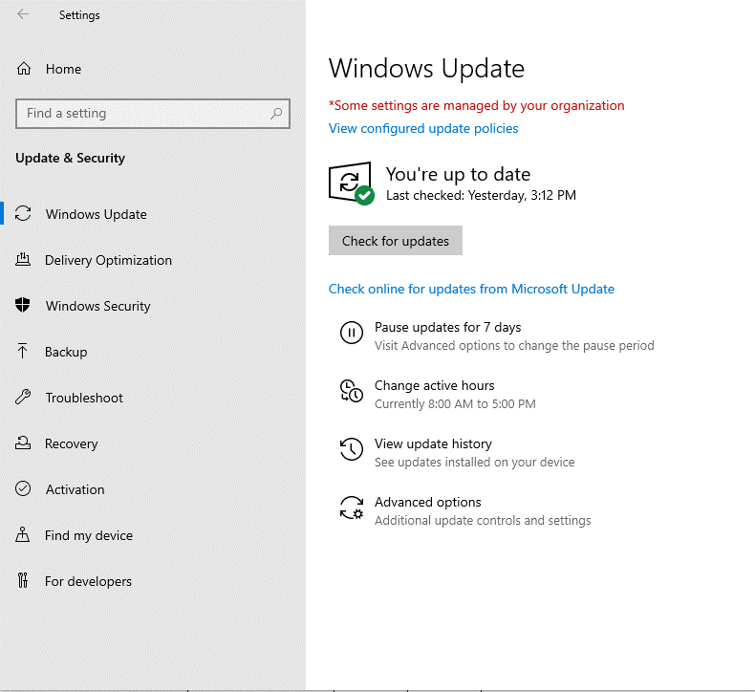 |  |  |  | No
14 | Support of Adobe Flash Player*2 | Is Adobe Flash Player supported ? Please confirm if it is supported. *2 | Adobe stopped supporting Flash player beginning December 31, 2020 |  |  |  |  | No
15 | Support of Adobe Reader*2 | Is Adobe Reader supported ? Please confirm if it is supported. *2 | Support from vendor expired or not? If expired = NG | 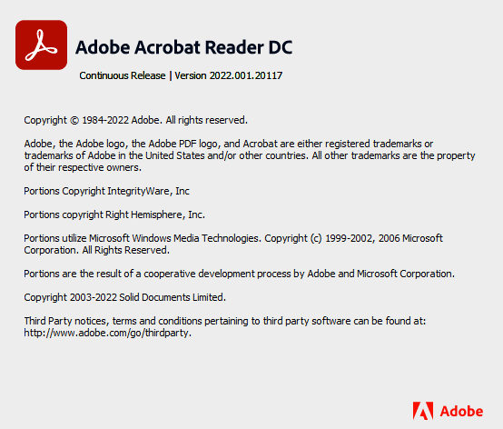 |  | 03/04/2024 11:17 AM | OK | Yes
Skip for cycle May 16 -June 15, 2022
16 | Support of Adobe Acrobat *2 | Is Adobe Acrobat supported ? Please confirm if it is supported. *2 | Support from vendor expired or not? If expired = NG |  |  |  |  | No
17 | Support of Java Runtime Plugin*3 | Is Java Runtime Plugin supported ? Please confirm if it is supported. *2 | Support from vendor expired or not? If expired = NG |  | 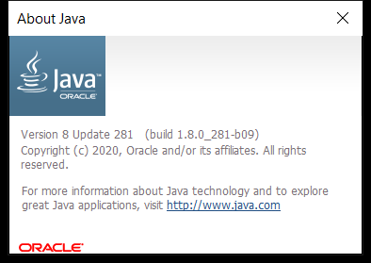 | 03/04/2024 11:17 AM | OK | Yes
Skip
18 | Support of RealPlayer *4 | Is RealPlayer supported ? Please confirm if it is supported. *2 | Support from vendor expired or not? If expired = NG |  |  |  |  | No
19 | Google Desktop「search across computers」 | The 「search across computers」 function of Google Desktop disabled? If applied, please choose NG. | Google Desktop was officially discontinued on September 14, 2011 1. In the windows search, type "Google Desktop" 2. There should be no Google Desktop application found in the laptop |  |  |  |  | No
20 | Tool for preventing sending e-mail to outside the company by mistake (SHieldMailChecker) | If you use e-mail, is SHieldMailChecker , tool to prevent sending e-mail to outside the company by mistake, installed ? | Similar Tool not available in GDC Always set to "-" 1. Open Outlook 2. Type email address other than @fujitsu.com 3. Is notification appearing? |  |  |  |  | No
21 | Internet Explorer 「autocomplete」[Options] | ・In Internet Explorer Menu, click [Tools]-[Internet Options]-[Contents] tab - [Autocomplete] settings . ・In [Use AutoComplete for] items, is [Ask me before saving passswords] unchecked? | GDC Policy autocomplete is not prohibited Always set to "-" | 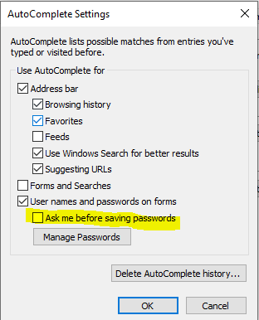 |  |  |  | No
22 | Encryption HDD | Windows user: In the case of laptop, is encryption HDD mounted or encryption software installed? | 1. In the windows search, type "Manage Bitlocker 2. Click result 3. Is the bitlocker status is "on"? | 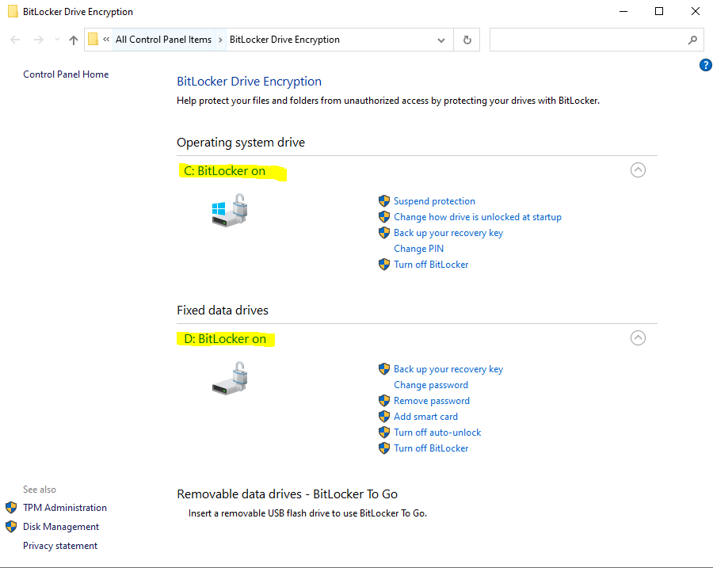 |  | 03/04/2024 11:18 AM | OK | Yes
23 | Data Deletion Timing (based on Project security rules) |  |  |  | *Please refer to Security - Laptop Content Form_Fullname.xlsx |  | After Delivery | Yes
 | Target for Local File Deletion | Follow the tree command | For targeted members are: JML (Joiner, Mover and Leaver) Please follow the Laptop Content Check Procedure and complete PL_07 and PL_08 | 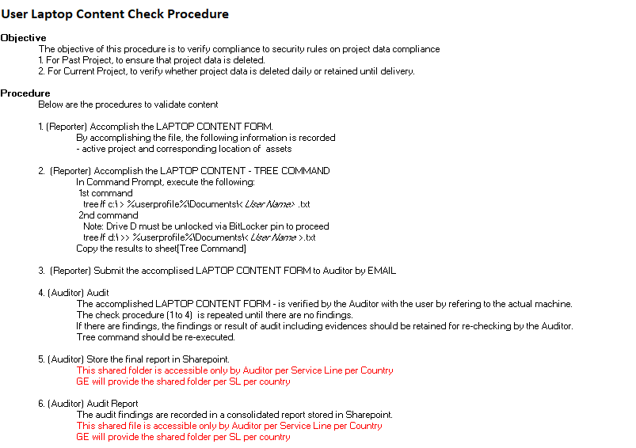 | 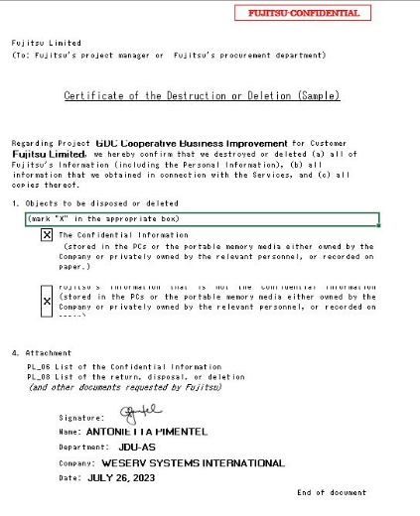 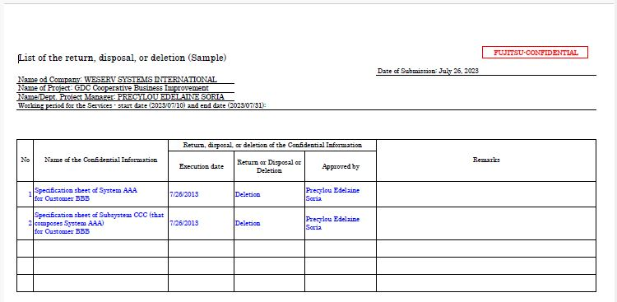 | 03/04/2024 11:17 AM | OK | Yes
 | Result of Local File Deletion |  |  |  |  | 03/04/2024 11:18 AM | OK | Yes
24 | Notes

